1. Title Page
[Instacart Grocery Basket Analysis]

Project Name: Instacart Grocery Baskey Analysis
Date: 7/3/2023
Analyst Name: Peter Siemsen

Contents:
Population Flow
Consistency checks
Wrangling steps
Column derivations
Visualizations
Recommendations

Data Citation:
“The Instacart Online Grocery Shopping Dataset 2017”, Accessed from www.instacart.com/datasets/grocery-shopping-2017 via Kaggle on July 3, 2023.

2. Population Flow
Title page

Population flow

Exclusion flag
Condition: max_order < 5
Obervations to be removed: low-priority count = 1,440,295
Final total count of order_products_all: 32,404,859

Orders_products_combined
Orders_products_merged
Orders_products_all

Total: 32,434,489
Total: 32,434,489
Total: 32,434,489

1.) The grey boxes in the first row of the population flow represent the original data sets as they were when you downloaded them. In the Total fields you need to add the count of the rows when you imported the data set into Jupyter.
2.) The second row of boxes (coloured) represents the data sets after you manipulated them, e.g., removed missing values and duplicates. In the Total fields you need to add the count of the rows after conducting these operations. This offers a visual oveview of how the data flows throughout the data consistency checks.
3.) The third row, where also the arrows are coloured, represents the merges you performed between the datasets. In the Total fields you need to add the count of the rows in the merged datasets, so that you end up with the final dataset (in the red box). Keep in mind the final dataset should be without exclusions (based on the exclusion flag).

3. Consistency checks
 |  |  |  | Title page
Consistency checks

Dataset | Missing values | Missing values treatment | Duplicates
orders | 206,209 missing values in 'days_since_prior_order' | Took no action against these null values. These values were associated with customers who had just placed their first order. | None
products | 16 missing values from the 'product_name' column | Dropped the rows with missing values | 5 complete duplicates found. Dropped the rows
orders_products_prior | No missing values | N/A | None
customers | 11,259 missing values for 'first_name' | Took no action because we do not have the complete customer info to fill it in. | None

4. Wrangling steps
 |  |  |  | Title page
Wrangling steps

Columns dropped | Columns renamed | Columns' type changed | Comment/Reason
eval_set |  |  | Column not needed in our analysis
first_name |  |  | Dropped due to PII data
last_name |  |  | Dropped due to PII data
 | order_hour_of_day |  | Rennamed to order_time
 | order_dow |  | Changed langue to include more detail. Rennamed to order_day_of_week
 |  | order_id | Changed data type to string
 |  | user_id | Changed data type to string

5. Column derivations
 |  |  |  |  |  | Title page

Column derivations and aggregations

Dataset | New column | Column/s it was derived from | Conditions | Column name | Frequencies of conditions
df_orders_products_busiest_days | price_range_loc | 'prices' | Low-range product' <= 5 'Mid-range product' > 5 and <= 15 'High range' else | price_range_loc | Mid-range = 756450 Low-range = 10126321 High-range = 417678
df_orders_products_busiest_days | busiest_day | order_day_of_week | Busiest day == 0 Least busy == 4 Regular busy = all other | busiest_day | Regularly busy = 22416875 Busiest day = 6204182 Least busy = 3783802
df_orders_products_busiest_days | daily_activity | order_day_of_week | Busiest days in (0,1) Least busy days in (3.4) Regularly busy = all else | daily_activity | Regularly busy = 12916111 Busiest days = 11864412 Least busy days = 7624336
df_orders_products_busiest_days | busiest_period_of_day | order_hour_of_day | Most orders in (10,11,14,15) Fewest orders in (5,2,4,3) Average orders = all else | busiest_period_of_day | Average orders 21293820 Most orders 10849180 Fewest orders 261859
df_orders_products_grouped | max_order | user_id, order_number | groupby(['user_id'])['order_number'].transform(np.max) | max_order' | Min 1 Max 99
df_orders_products_grouped | loyalty_flag | max_order | Loyal customer > 40 Regular customer <= 40 and > 10 New customer <= 10 | loyalty_flag | Regular customer = 15876776 Loyal customer = 10284093 New customer = 6243990
df_orders_products_grouped | mean_spend | user_id, prices | groupby(['user_id'])['prices'].transform(np.average) | avg_price | Min 1 Max 25
df_orders_products_grouped | spend_flag | avg_price | loc[df['avg_price'] < 10, 'spending_flag'] = 'Low spender' loc[df['avg_price'] >= 10, 'spending_flag'] = 'High spender' | 'spending_flag' | Low spender 31770646 High spender 634213
df_orders_products_grouped | median_days_since | user_id, days_since_prior_order | groupby(['user_id'])['days_since_prior_order'].transform(np.median) | avg_days | Min 0 Max 30
df_orders_products_grouped | order_behavior_flag | median_days_since | Non-frequent customer > 20 Regular customer <= 20 and >= 10 Frequent customer <= 10 | order_behavior_flag | Frequent customer 21559853 Regular customer 7208564 Non-frequent custome 3636437
df_merged | region | state | Northeast' = 'Maine','New Hampshire', 'Vermont', 'Massachusetts','Rhode Island','Connecticut','New York','Pennsylvania','New Jersey' 'Midwest' = 'Wisconsin','Michigan','Illinois','Indiana','Ohio','North Dakota','South Dakota','Nebraska','Kansas','Minnesota','Iowa','Missouri' 'South' = 'Delaware','Maryland','District of Columbia','Virginia','West Virginia','North Carolina','South Carolina','Georgia','Florida','Kentucky','Tennessee','Mississippi',' Alabama','Oklahoma','Texas','Arkansas','Louisiana' 'West' = else | region | South 10791885 West 8292913 Midwest 7597325 Northeast 5722736
df_merged | customer_activity | max_order | High-activity >= 5 Low-activity <5 | customer_activity | High-activity = 30964564 Low-activity = 1440295
df_merged | customer_profile | fam_status | age > 0 & <= 25 & n_dependants == 0 & fam_status in 'divorced/widowed', 'single', 'living with parents and siblings' - Young Single Adult age > 0 & <= 25 & n_dependants == 0 & fam_status in 'married' - Young Married Adult age > 0 & <= 25 & n_dependants > 0 & fam_status in 'married' - Young Married Adult Parent age > 0 & <= 25 & n_dependants > 0 & fam_status in 'divorced/widowed', 'single', 'living with parents and siblings' - Young Single Adult Parent age > 25 & <= 64 & n_dependants == 0 & fam_status in 'divorced/widowed', 'single', 'living with parents and siblings' - Single Adult age > 25 & <= 64 & n_dependants == 0 & fam_status in 'married' - Married Adult age > 25 & <= 64 & n_dependants > 0 & fam_status in 'divorced/widowed', 'single', 'living with parents and siblings' - Single Adult Parent age > 25 & <= 64 & n_dependants > 0 & fam_status in 'married' - Married Adult Parent age >= 65 & n_dependants == 0 & fam_status in 'divorced/widowed', 'single', 'living with parents and siblings' - Single Senior age >= 65 & n_dependants == 0 & fam_status in 'married' - Married Senior age >= 65 & n_dependants > 0 & fam_status in 'divorced/widowed', 'single', 'living with parents and siblings' - Single Senior Parent age >= 65 & n_dependants > 0 & fam_status in 'married' - Married Senior Parent |  | Married Adult Parent = 14140006 Married Senior Parent = 6173586 Single Adult = 4764496 Single Senior = 2021958 Single Young Adult Parent = 1481172 Married Young Adult Parent = 1430119 Single Young Adult = 953227
df_merged | income_profile | income | income between (0, 41775) - 'Low Income' income between (41776, 89075) - 'Medium Income' income between (89076, 170050) - 'High Income' income between (170051, 215950) - 'Very High Income' income between (215951, 539900) - 'Ruling Class' income between (539901, 1000000) - 'Uber Wealthy Class' | income_profile | High Income = 17717166 Medium Income = 11059194 Low Income = 1872972 Ruling Class = 220186 Very High Income = 82891 Uber Wealthy Class = 12155

6. Visualizations
 |  |  | Title page

Visualisations

Key Questions

1. What are the busiest days of the week?



 | The busiest days of the week are Sunday (0) and Saturday (1).

2. What are the busiest hours of the day?


 | The busiest hours of the day are from 9am to 4pm.
 | The least-busy hours of the day are from 8pm to about 6am.

3. Are there particular times of the day when people spend the most money?
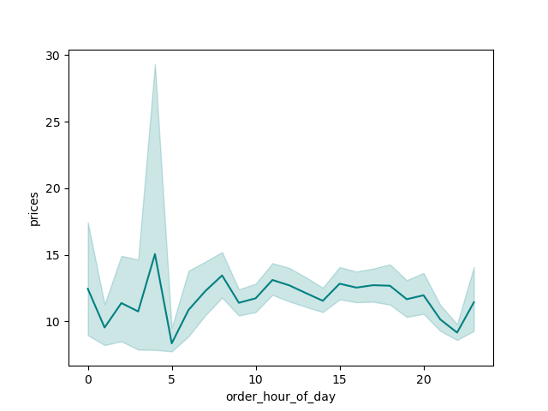

 | Based on the chart, we can see that prices of orders are highest at 4am and from 8am to about 8pm.

4. Instacart has many products with different price tags. Marketing and sales wants to use simpler price range groupings to help direct their efforts.

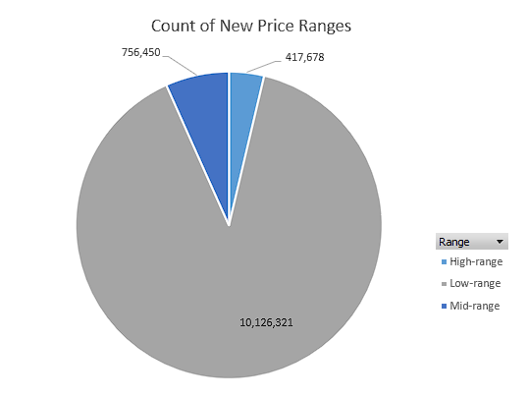

 | New price ranges have been assigned to all of the products.
 | The chart on the left has the counts of each category.

5. Which departments have the highest frequency of product orders?

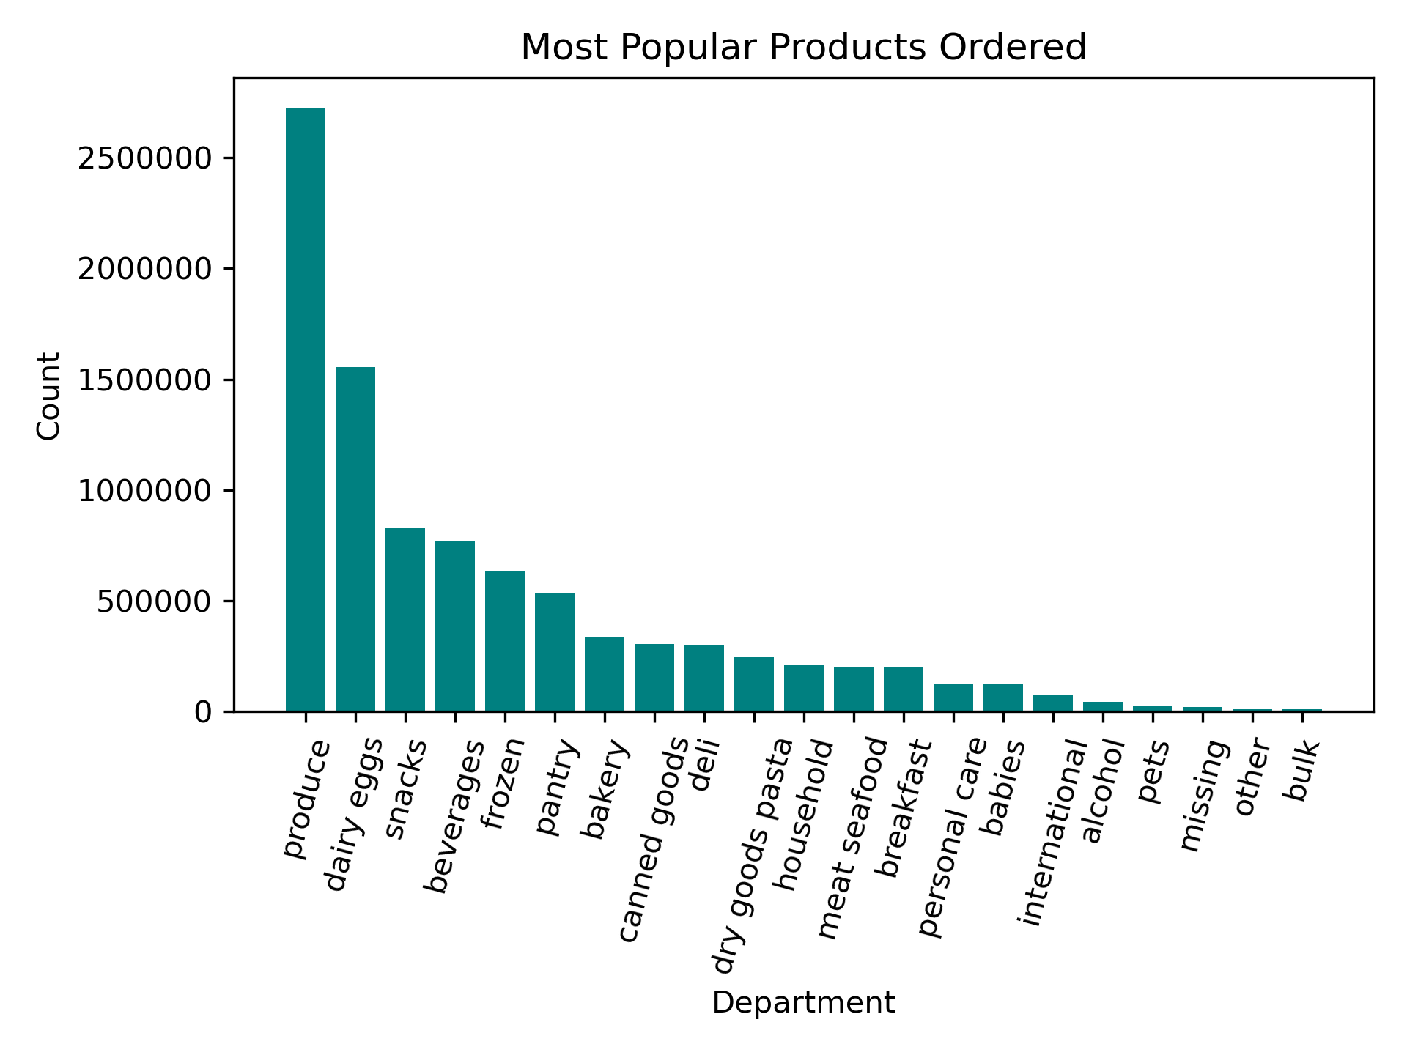

 |  | The most popular products are produce and dairy / eggs.

6. What is the distribution of customers based on region?

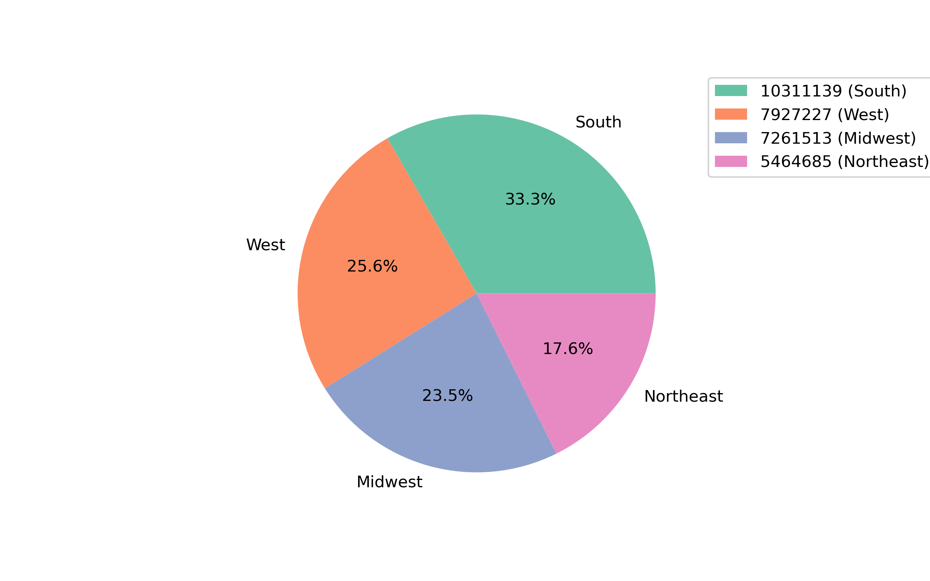

 |  | Customers are distrubuted all over the US. The largest population resides in the South.

7. How do the customers break down in terms of income levels and house-hold demographics?

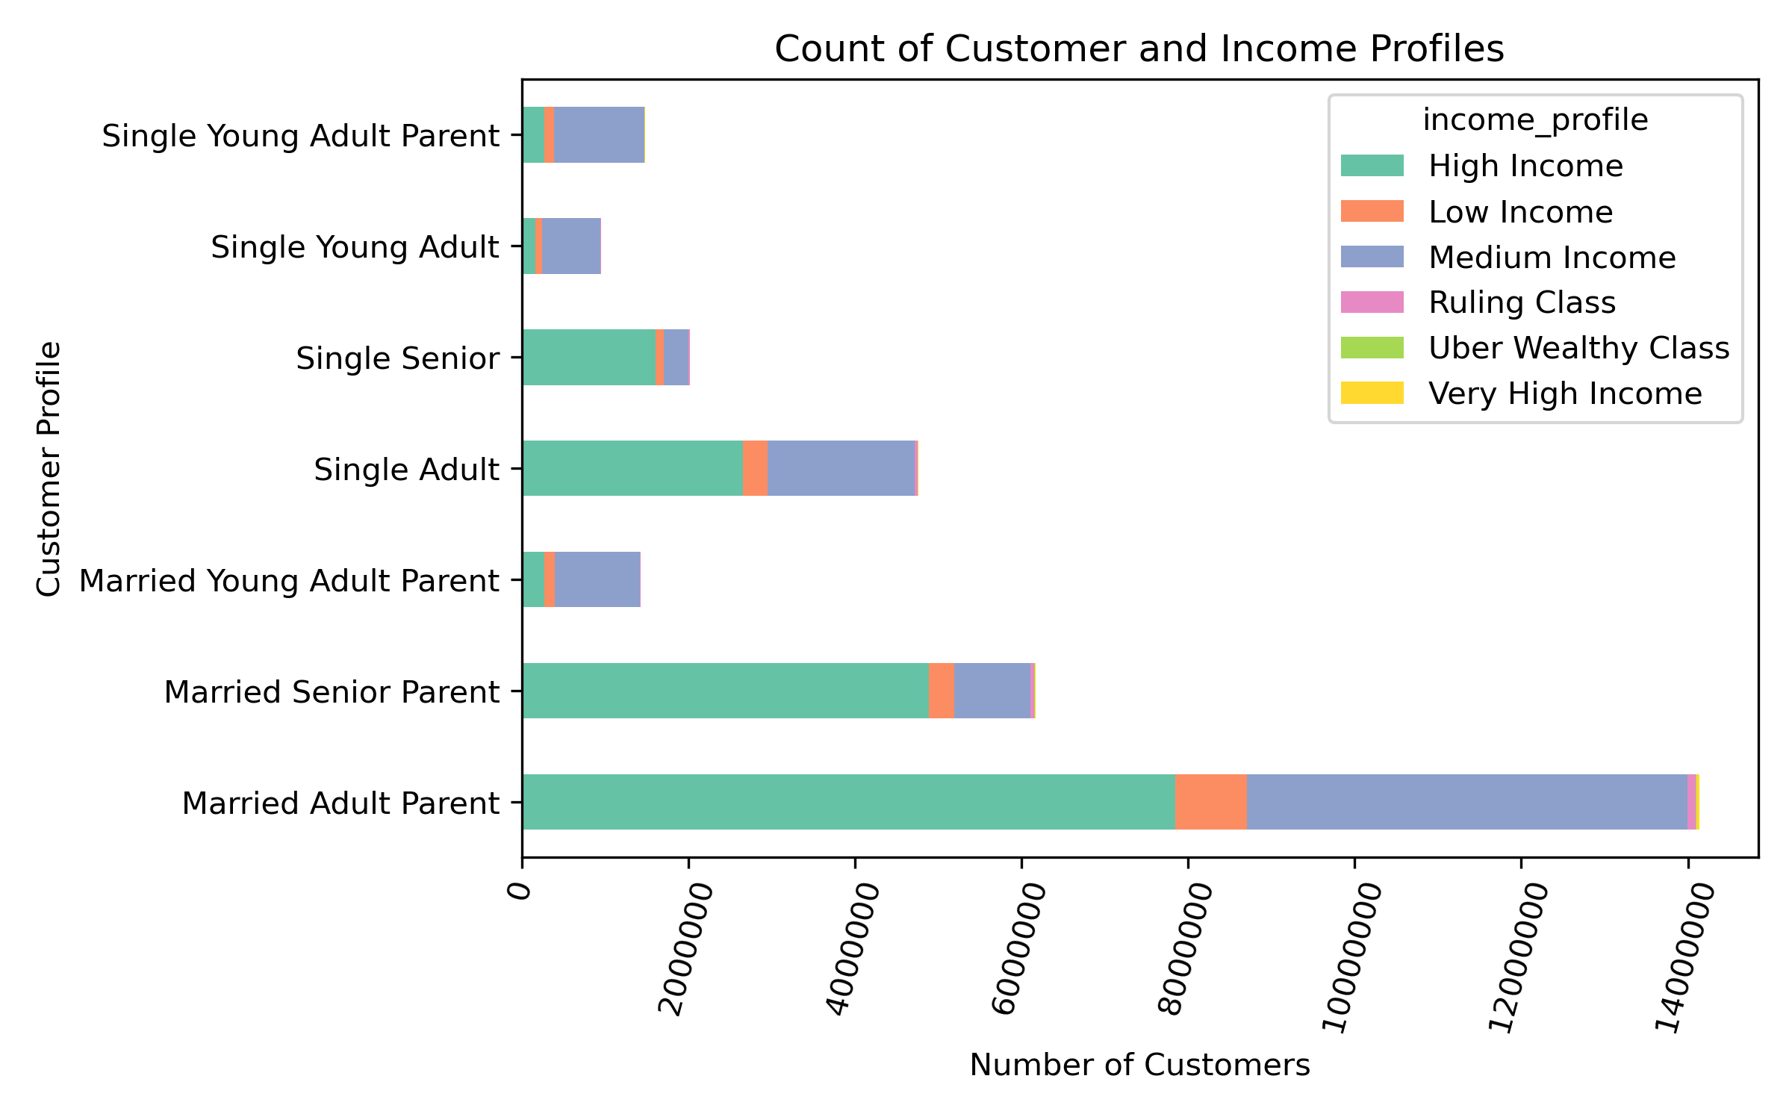

 |  |  |  |  | The customers are distributed among 7 different classifications and 6 different income profiles.
 |  |  |  |  | The vast majority of the customers are 'Married Adult Parent'. Of those, most are either 'High Income' or 'Medium Income'.

8. Where are the 7 different customer profiles located (by region)?

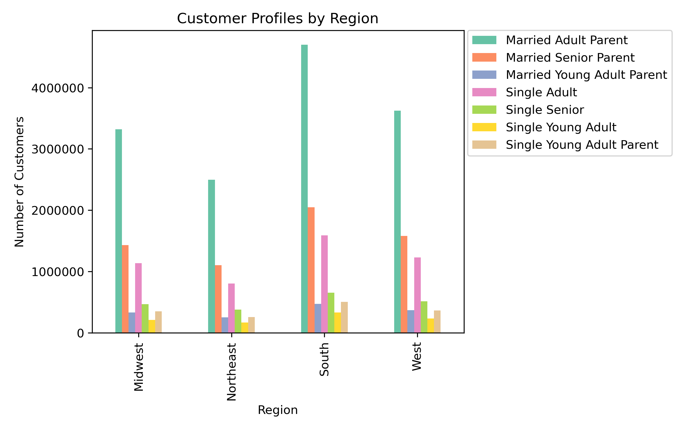

 |  |  |  |  | The chart supports our previous findings - the South has the most customers as does Married Adult Parent.

9. What differences can you find in ordering habits of different customer profiles?

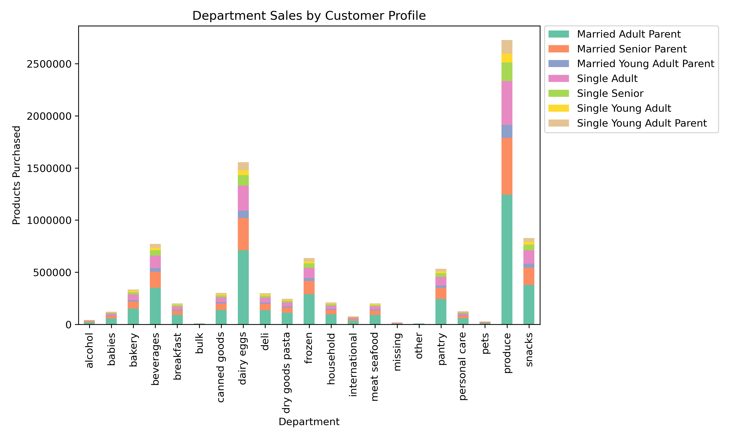

 |  |  |  | The chart supports our previous findings - produce and dairy / eggs are the most popular items.

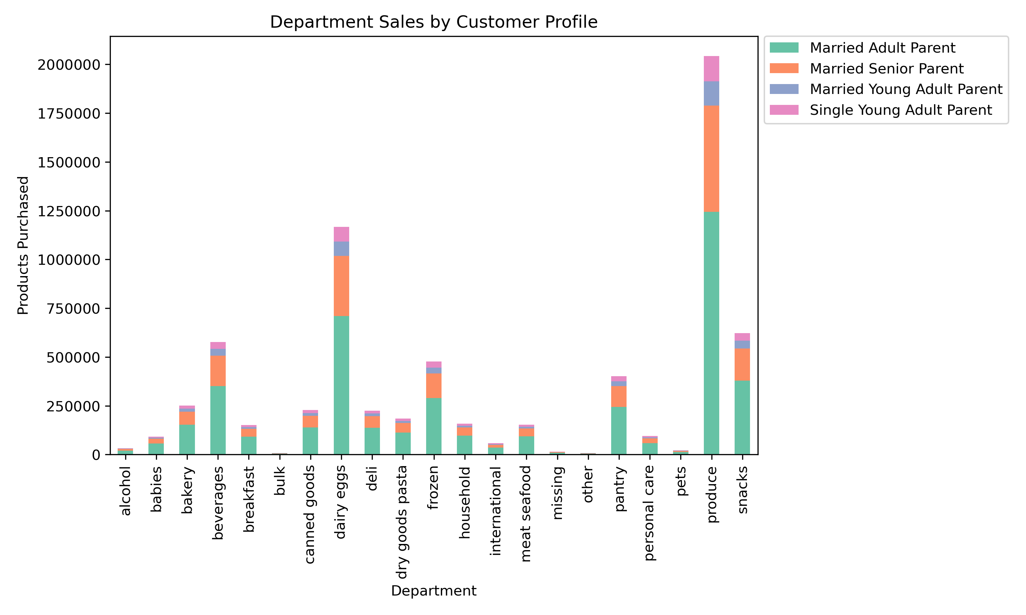

 |  |  |  | This chart represents the profiles consisting of Parents. We notice similar trends amoung parents
 |  |  |  | as we do with the other character profiles. The visualization is helpful at a high level, but we would need to drill down
 |  |  |  | further to compare actual numbers and percentages.

7. Recommendations
 |  | Title page

Recommendations

Key Questions

1. What are the busiest days of the week?

Answer:
The busiest days of the week are Saturday and Sunday. The least busy days of the week are Tuesday and Wednesday.

Recommendation:
Schedule ads during the weekdays when there are fewer orders, with the most ads on Tuesday and Wednesday since those are the least busy days.

2. What are the busiest hours of the day?

Answer:
The busiest hours of the day are between 9am to 4pm. The least busy hours of the day are from 8pm to 6am.

Recommendation:
Schedule ads during the off-peak hours. We need to keep in mind though that most customers might be asleep during these times. We could try for late-night ads or YouTube ads when people are up late watching.

3. Are there particular times of the day when people spend the most money?

Answer:
People spend the most at 4am and from 8am to about 8pm.

Recommendation:
There is not a lot of variability in regards to price and hours of the day. If I were to make a recommendation to the marketing team, they should push the more expensive products during the other peak hours (from recommendation 2) to save on advertising spend.

4. Instacart has many products with different price tags. Marketing and sales wants to use simpler price range groupings to help direct their efforts.

Answer:
Prices have been categorized into different categories to make grouping efforts easier. Based on the number of products in each, we can run further analysis based on marketing needs.

5. Which departments have the highest frequency of product orders?

Answer:
The produce, and dairy / eggs departments have the highest frequency of orders.

Recommendation:
It is my recommendation to focus on more of the less popular items and run ads or campaigns for them. Produce items and dairy/egg items will always continue to sell. Other departments of products could use a boost, especially if some of the items in those groups are higher priced.

6. Are there differences in ordering habits based on a customer's region?

Answer:
There are no significant differences in order frequency or order amount based on a customer's region. The results between regions are quite similar.

Recommendation:
Even though the number of customers per region varries, the ordering habits remain relatively the same. We should continue to monitor each region 2 times each year to see if any trends arise or values change.

7. What different classifications does the demographic information suggest?

Answer:

Single Young Adult Parent - 4.8% | Low Income - 6.0%
Single Young Adult - 3.1% | Medium Income - 35.7%
Single Senior - 6.5% | High Income - 57.2%
Single Adult - 15.4% | Very High Income - 0.3%
Married Young Adult Parent - 4.6% | Ruling Class - 0.7%
Married Senior Parent - 19.9% | Uber Wealthy Class - 0.04%
Married Adult Parent - 45.7%

Recommendation:
Based on the calculated values for each of the customer profiles, we can proceed two different ways. The marketing team can either continue to focus on the most populated demographics (High Income spenders and Married Adult Parent) or choose to run campaigns for the low-populated profiles (Single Young Adult and Uber Wealthy Class).

8. What differences can you find in ordering habits of different customer profiles?

Answer:
Married adult parents and Married Adult Seniors account for the highest number of orders across all departments.

Recommendation:
Similar to the previous recommendation, we can choose to either contiune to target these customers with loyalt rewards to continue to increase their order spending. We could also choose to target the lowest performing profile (Single Young Adult Parents) and run promitonal campaigns or low-buyer discounts or offers.

